bug report
web application |  | 100carrots
 |  | https://paulyerger.github.io/#/

bug report | 1 |  | bug report | 2 | bug report | 3

Summary | [Earn]: Correct answers generates only when fourth marker is chosen. |  | Summary | [Earn]: Balance limit exceeded when answering questions | Summary | [Store]: User without name can not buy items with affordable prices and balance is not decreased.
Environment | devices+OS: : Laptop HDQ6M9SL Intel(R) Core(TM) i5-8265U CPU 1.60GHz 1.80 GHz Windows 10, 21H1,19043.1645 |  | Environment | devices+OS: : Laptop HDQ6M9SL Intel(R) Core(TM) i5-8265U CPU 1.60GHz 1.80 GHz Windows 10, 21H1,19043.1645 | Environment | devices+OS: : Laptop HDQ6M9SL Intel(R) Core(TM) i5-8265U CPU 1.60GHz 1.80 GHz Windows 10, 21H1,19043.1645
Description | Preconditions: user is in [Earn] Steps: 1.answer 10 questions in a row, select the answer under the [first] marker in the list of answers 2..answer the next 10 questions in a row, select the answer the [second] marker in the list of answers 3.answer the next 10 questions in a row, select the answer [third] marker in the list of answers 4.answer the next 10 questions in a row, select the answer [fourth] marker in the list of answers |  | Description | Preconditions: user is in [Earn] Steps: 1.by answering the questions correctly, increase the balance to 111 | Description | Preconditions: User is on [Store] page, User is registered without name. Steps: 1.Answer correctly the questions to earn 12 $ 2.Click [Store] button. 3.Click on button [buy] on affordable item. 4.Click [Yes] on [Confirmation] window.
Actual result | correct answers are generated only under the marker [fourth] of the list of markers |  | Actual result | the page shows a balance greater than 100 | Actual result | User can not buy affordable item, balance stayes the same.
Expected result | correct answers are randomly generated under different positions of the list of markers |  | Expected result | error is displayed: maximum balance 100 | Expected result | User buys need affordable item, balance is decreased.
Reproducibility | always |  | Reproducibility | always | Reproducibility | always
Attachments | - |  | Attachments |  | Attachments | видео на баг
Severity | Critical |  | Severity | Critical | Severity | Critical
Priority | Highest |  | Priority | Highest | Priority | Highest
Components | Front-end |  | Components | Front-end | Components | back-end
Assignee | developer Х |  | Assignee | developer Х | Assignee | developer Х
Reporter | Евгения Бояренко |  | Reporter | Евгения Бояренко | Reporter | Евгения Бояренко
Type: | To Do |  | Type: | To Do | Type: | To Do

bug report | 4 |  | c | 5 | bug report | 6

Summary | [Earn]: Application crushes with balance -100 or less |  | Summary | [Password] field: Validation about minimum size is not shown to User before clicking [Sign Up] button | Summary | [Sign Up]: User can be signed up with password consisted of 7 symbols instead of minimum 86
Environment | devices+OS: : Laptop HDQ6M9SL Intel(R) Core(TM) i5-8265U CPU 1.60GHz 1.80 GHz Windows 10, 21H1,19043.1645 |  | Environment | devices+OS: : Laptop HDQ6M9SL Intel(R) Core(TM) i5-8265U CPU 1.60GHz 1.80 GHz Windows 10, 21H1,19043.1645 | Environment | devices+OS: : Laptop HDQ6M9SL Intel(R) Core(TM) i5-8265U CPU 1.60GHz 1.80 GHz Windows 10, 21H1,19043.1645
Description | Preconditions: user is in [Earn] Steps: 1.incorrectly answer questions to reduce the balance exactly -100 |  | Description | Preconditions: user is in [Sign up] Steps: 1.Enter invalid password consisted of 6 symbols | Description | Preconditions: user is in [Sign up] Steps: 1. Enter valid Name in to [Name] field 2.Enter valid email in to [Email] field 3.Enter invalid password in to [Password] field
Actual result | incorrect behavior, the site loses its main functionality, when you try to login again, the site does not work |  | Actual result | Validation process is not shown to User. | Actual result | User is registered with password consisted of 7 symbols instead of minimum 8.
Expected result | balance -100 is displayed on the page |  | Expected result | User sees near the [Password] field with required minimum symbols. Validation error is shown to User | Expected result | Validation error is shown to User, User can’t be registered.
Reproducibility | always |  | Reproducibility | always | Reproducibility | always
Attachments | - |  | Attachments |  | Attachments
Severity | Critical |  | Severity | Major | Severity | Major
Priority | Highest |  | Priority | Highest | Priority | Highest
Components | Components back-end |  | Components | Components back-end | Components | front-end
Assignee | developer Х |  | Assignee | developer Х | Assignee | developer Х
Reporter | Евгения Бояренко |  | Reporter | Евгения Бояренко | Reporter | Евгения Бояренко
Type: | To Do |  | Type: | To Do | Type: | To Do

bug report | 7 |  | bug report | 8

Summary | [Sign Up]: User can be signed up with password consisted with spaces as symbols. |  | Summary | [Store]-there is no second photo in the product card
Environment | devices+OS: : Laptop HDQ6M9SL Intel(R) Core(TM) i5-8265U CPU 1.60GHz 1.80 GHz Windows 10, 21H1,19043.1645 |  | Environment | devices+OS: : Laptop HDQ6M9SL Intel(R) Core(TM) i5-8265U CPU 1.60GHz 1.80 GHz Windows 10, 21H1,19043.1645
Description | Preconditions:user is in [Sign up] Steps: 1.Enter valid Name in to [Name] field 2.Enter valid email in to [Email] field 3.Enter invalid password in to [Password] field |  | Description | Preconditions: Steps: 1.click on the arrow in the side of each product card
Actual result | User is registered with invalid password. |  | Actual result | there is no second photo in the product card
Expected result | Validation error is shown to User and can’t be registered. |  | Expected result | all product cards have a second photo
Reproducibility | always |  | Reproducibility | always
Attachments | - |  | Attachments | 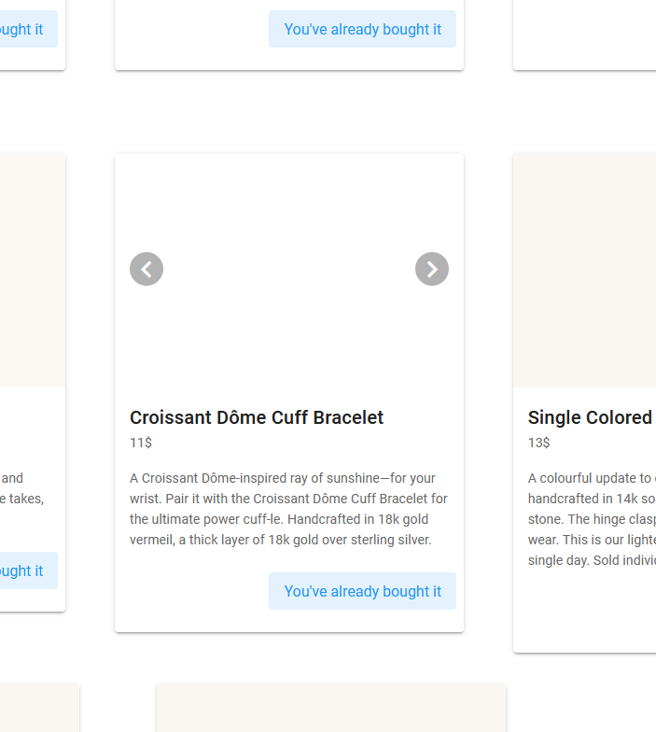
Severity | Major |  | Severity | Minor
Priority | Highest |  | Priority | Medium
Components | back-end |  | Components | front-end
Assignee | developer Х |  | Assignee | developer Х
Reporter | Евгения Бояренко |  | Reporter | Евгения Бояренко
Type: | To Do |  | Type: | To Do

